Original_Reequirements
Requirements of Normal CRD Execution
Step | Description
R1 | A_CBI locks A and sends a departure and locking request to A_TCC.
R2 | A_TCC receives the departure and locking request.
R3 | A_TCC ensures C1 is satisfied and also A_JQJ confirms that C2 is satisfied. Then A_TCC sends a direction change request to B.
R4 | B_JQJ ensures C2 is satisfied and conveys this information to B_TCC. And if C1 also is satisfied, then B_TCC asks B_FJ to switch over.
R5 | After B_FJ is switched, B changes to the receiving mode and sends the direction change permission to A.
R6 | When A receives the permission, A TCC asks A FJ to switch, then check whether A FJ is switched.
R7 | After A FJ is switched, A TCC sends the permission to A CBI to allow the departure.
R8 | After receiving departure permission from A TCC, A CBI opens the departure signals, and then the train is allowed to leave A.

Requirements of Auxiliary CRD Execution( In Chinese)
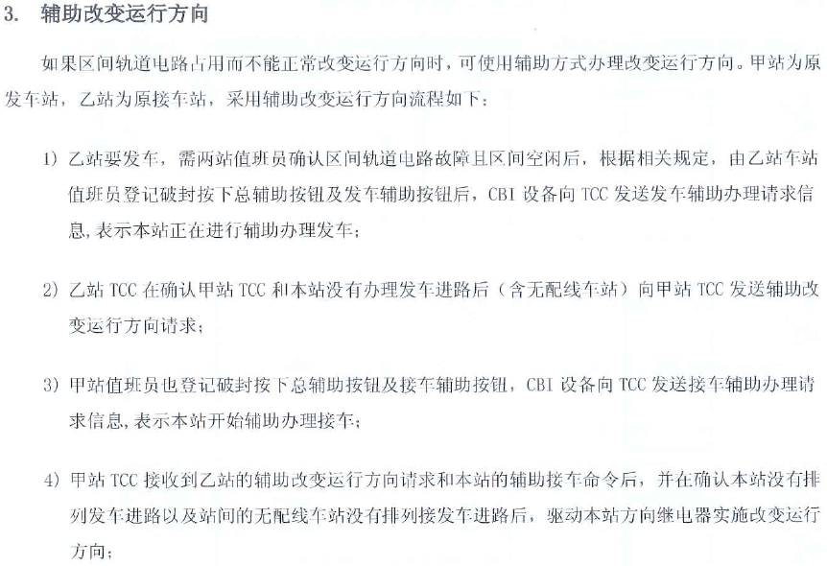

System Fail-Safe behavior

